Ejemplo
 | n | x | y | x^2 | x*y | y^2
 | 1 | 130 | 186 | 16900 | 24180 | 34596
 | 2 | 650 | 699 | 422500 | 454350 | 488601
 | 3 | 99 | 132 | 9801 | 13068 | 17424
 | 4 | 150 | 272 | 22500 | 40800 | 73984
 | 5 | 128 | 291 | 16384 | 37248 | 84681
 | 6 | 302 | 331 | 91204 | 99962 | 109561
 | 7 | 95 | 199 | 9025 | 18905 | 39601
 | 8 | 945 | 1890 | 893025 | 1786050 | 3572100
 | 9 | 368 | 788 | 135424 | 289984 | 620944
 | 10 | 941 | 1601 | 885481 | 1506541 | 2563201
 | sum | 3,808.00 | 6,389.00 | 2,502,244.00 | 4,271,088.00 | 7,604,693.00
 | avg | 380.80 | 638.90

 |  |  |  |  | (250.80) | (452.90) | 113,587.32
 | b1 | 1,838,156.80 | 1.7470356152 |  | 269.20 | 60.10 | 16,178.92
 |  | 1,052,157.60 |  |  | (281.80) | (506.90) | 142,844.42
 |  |  |  |  | (230.80) | (366.90) | 84,680.52
 | b0 | (26.37) |  |  | (252.80) | (347.90) | 87,949.12
 |  |  |  |  | (78.80) | (307.90) | 24,262.52
 | x | y |  |  | (285.80) | (439.90) | 125,723.42
1 | 50 | 60.98 |  |  | 564.20 | 1,251.10 | 705,870.62
2 | 100 | 148.33 |  |  | (12.80) | 149.10 | (1,908.48)
3 | 150 | 235.68 |  |  | 560.20 | 962.10 | 538,968.42
4 | 200 | 323.04 |  |  |  |  | 183,815.68
5 | 250 | 410.39
6 | 300 | 497.74
7 | 350 | 585.09
8 | 400 | 672.44
9 | 450 | 759.79
10 | 500 | 847.15
11 | 550 | 934.50
12 | 600 | 1,021.85
13 | 650 | 1,109.20
14 | 700 | 1,196.55
15 | 750 | 1,283.91
16 | 800 | 1,371.26
17 | 850 | 1,458.61
18 | 900 | 1,545.96
19 | 950 | 1,633.31
20 | 1000 | 1,720.66
21 | 1050 | 1,808.02
22 | 1100 | 1,895.37
23 | 1150 | 1,982.72
24 | 1200 | 2,070.07
25 | 1250 | 2,157.42

Test 1
Test 1: Calculate the regression parameters and correlation coefficients between estimated proxy size and actual added and modified size in Table 1. Calculate plan added and modified size given an estimated proxy size of = 386

 | x | y
Program Number | Estimated Proxy Size | Actual Added and Modified Size | x^2 | x*y | y^2
1 | 130 | 186 | 16900 | 24180 | 34596
2 | 650 | 699 | 422500 | 454350 | 488601
3 | 99 | 132 | 9801 | 13068 | 17424
4 | 150 | 272 | 22500 | 40800 | 73984
5 | 128 | 291 | 16384 | 37248 | 84681
6 | 302 | 331 | 91204 | 99962 | 109561
7 | 95 | 199 | 9025 | 18905 | 39601
8 | 945 | 1890 | 893025 | 1786050 | 3572100
9 | 368 | 788 | 135424 | 289984 | 620944
10 | 961 | 1601 | 923521 | 1538561 | 2563201
Total | 3828 | 6389 | 2540284 | 4303108 | 7604693
Promedios | 382.8 | 638.9

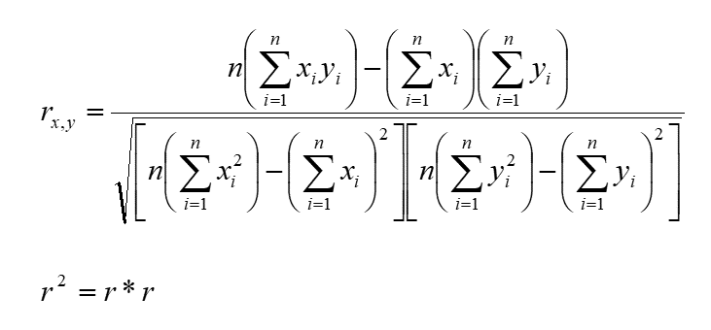
β1 | 1.73 |  | x | y
β0 | (22.55) |  | 386 | 644.43
$$r_{x,y=}$$
$$r^{2}=$$
 | 0.9545
 | 0.9111

Test 2
Test 2: Calculate the regression parameters and correlation coefficients between estimated proxy size and actual development time in Table 1. Calculate time estimate given an estimated proxy size of = 386

 | x | y
Program Number | Estimated Proxy Size | Actual Development Hours | x^2 | x*y | y^2
1 | 130 | 15 | 16900 | 1950 | 225
2 | 650 | 69.9 | 422500 | 45435 | 4886.01
3 | 99 | 6.5 | 9801 | 643.5 | 42.25
4 | 150 | 22.4 | 22500 | 3360 | 501.76
5 | 128 | 28.4 | 16384 | 3635.2 | 806.56
6 | 302 | 65.9 | 91204 | 19901.8 | 4342.81
7 | 95 | 19.4 | 9025 | 1843 | 376.36
8 | 945 | 198.7 | 893025 | 187771.5 | 39481.69
9 | 368 | 38.8 | 135424 | 14278.4 | 1505.44
10 | 961 | 138.2 | 923521 | 132810.2 | 19099.24
Total | 3828 | 603.2 | 2540284 | 411628.6 | 71267.12
Promedios | 382.8 | 60.32

β1 | 0.17 |  | x | y
β0 | (4.04) |  | 386 | 60.86
$$r_{x,y=}$$
$$r^{2}=$$
 | 0.9333
 | 0.8711

Test 3
Test 3: Calculate the regression parameters and correlation coefficients between plan added and modified size and actual added and modified size in Table 1. Calculate plan added and modified size given an estimated proxy size of = 386

 | x | y
Program Number | Plan Added and Modified size | Actual Added and Modified Size | x^2 | x*y | y^2
1 | 163 | 186 | 26569 | 30318 | 34596
2 | 765 | 699 | 585225 | 534735 | 488601
3 | 141 | 132 | 19881 | 18612 | 17424
4 | 166 | 272 | 27556 | 45152 | 73984
5 | 137 | 291 | 18769 | 39867 | 84681
6 | 355 | 331 | 126025 | 117505 | 109561
7 | 136 | 199 | 18496 | 27064 | 39601
8 | 1206 | 1890 | 1454436 | 2279340 | 3572100
9 | 433 | 788 | 187489 | 341204 | 620944
10 | 1130 | 1601 | 1276900 | 1809130 | 2563201
Total | 4632 | 6389 | 3741346 | 5242927 | 7604693
Promedios | 463.2 | 638.9

β1 | 1.43 |  | x | y
β0 | (23.92) |  | 386 | 528.43
$$r_{x,y=}$$
$$r^{2}=$$
 | 0.9631
 | 0.9276

Test 4
Test 4: Calculate the regression parameters and correlation coefficients between plan added and modified size and actual development time in Table 1. Calculate time estimate given an estimated proxy size of = 386.

 | x | y
Program Number | Plan Added and Modified size | Actual Development Hours | x^2 | x*y | y^2
1 | 163 | 15 | 26569 | 2445 | 225
2 | 765 | 69.9 | 585225 | 53473.5 | 4886.01
3 | 141 | 6.5 | 19881 | 916.5 | 42.25
4 | 166 | 22.4 | 27556 | 3718.4 | 501.76
5 | 137 | 28.4 | 18769 | 3890.8 | 806.56
6 | 355 | 65.9 | 126025 | 23394.5 | 4342.81
7 | 136 | 19.4 | 18496 | 2638.4 | 376.36
8 | 1206 | 198.7 | 1454436 | 239632.2 | 39481.69
9 | 433 | 38.8 | 187489 | 16800.4 | 1505.44
10 | 1130 | 138.2 | 1276900 | 156166 | 19099.24
Total | 4632 | 603.2 | 3741346 | 503075.7 | 71267.12
Promedios | 463.2 | 60.32

β1 | 0.14 |  | x | y
β0 | (4.60) |  | 386 | 49.50
$$r_{x,y=}$$
$$r^{2}=$$
 | 0.9480
 | 0.8988

